India Data
Cooling and Appliances

Mandatory Appliances Produced in Financial Year 2017-2018
Sl. No | Appliances | Star 1 | Star 2 | Star 3 | Star 4 | Star 5 | Total
1 & 2 | Room Air Conditioners(WindowHigh Wall Split Ceiling Mounted) | 380263 | 455207 | 2144757 | 71880 | 866679 | 3918786
3 | Colour Television | 1140585 | 729420 | 581579 | 1733547 | 1158012 | 5343143
4 | Direct Cool Refrigerator | 656238 | 719155 | 2317850 | 1093289 | 251736 | 5038268
5 | Distribution Transformer | 63923 | 12291 | 62206 | 4397 | 2405 | 145222
6 | Frost Free Refrigerator | 69489 | 255163 | 1009920 | 156963 | 1591 | 1493126
7 | Stationary Type Water Heater | 3689 | 678 | 137009 | 396350 | 1861647 | 2399373
8 | Tubular Fluorescent Lamp(TFL) | 0 | 0 | 66178149 | 506875 | 4835145 | 71520169
9 | LED LAMPS | 0 | 0 | 17519180 | 0 | 0 | 17519180
10 | Room Air Conditioner (Variable Speed) | 0 | 0 | 1084189 | 66710 | 138509 | 1289408

Voluntary Appliances Produced in Financial Year 2017-2018
Sl. No | Appliances | Star 1 | Star 2 | Star 3 | Star 4 | Star 5 | Total
1 | Ceiling Fan | 0 | 0 | 0 | 800 | 2328172 | 2328972
2 | Monoset Pump | 368 | 4 | 1134 | 8108 | 31668 | 41282
3 | Openwell Submersible Pump Set | 0 | 2434 | 2605 | 5426 | 121669 | 132134
4 | Submersible Pump Set | 20 | 106 | 40401 | 36895 | 641494 | 718916

 | cooling and ventilation | 19.3% | We only include AC, not fans, because AC has much higher energy usage than fans.
 | appliances | 23.7% | We only include refrigerators and water heaters, as these are the main energy-using appliances in the list.

Lighting

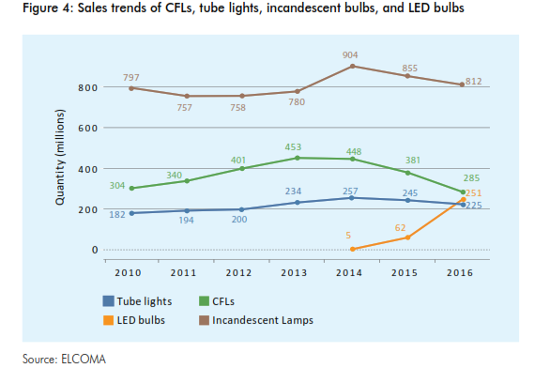
 | Sales trend-light bulbs-2016
 | Lighting Appliance | Quantity(millions)
 | Tubelight | 225
 | incandescent bulbs | 812
 | CFLs | 285
 | LED bulbs | 251

 | Lighting | 16.0%

